Sheet1
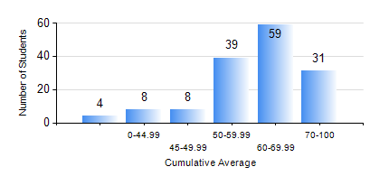
 |  |  | KWAME NKRUMAH UNIVERSITY OF SCIENCE AND TECHNOLOGY, KUMASI Department of Computer Engineering

 |  |  | BSC. COMPUTER ENG.

 |  |  | COMPREHENSIVE RECORD OF EXAMINATION RESULTS

 |  |  | RESULTS OF YEAR 1 SECOND SEMESTER, 2018/2019 ACADEMIC YEAR

 | Sn | Course Code |  | Course Name | Credit Hours | Min. Mark | Max. Mark | Avg. Mark | Std. Dev. | No. Passed | No. Trailed | No. (Df) | No. (I) | No. (I*) | No. Tagged(I,I*,Df) | Total
 | 0. |  |  |  |  |  |  | 0 | 0 | 0 | 0 | 0 | 0 | 0 | 0 | 15
 | 1. | COE 152 |  | BASIC ELECTRONICS | 3 | 19 | 86 | 58 | 10.15 | 133 | 1 | 0 | 0 | 0 | 0 | 134
 | 2. | COE 162 |  | PROGRAMMING AND PROBLEM SOLVING | 2 | 20 | 97 | 58 | 18.87 | 122 | 12 | 0 | 0 | 0 | 0 | 134
 | 3. | COE 164 |  | INTRODUCTION TO MATLAB AND LABVIEW | 2 | 49 | 87 | 71 | 8.91 | 134 | 0 | 0 | 0 | 0 | 0 | 134
 | 4. | EE 156 |  | ELECTRICAL ENG. DRAWING | 2 | 50 | 90 | 71 | 9 | 134 | 0 | 0 | 0 | 0 | 0 | 134
 | 5. | EE 172 |  | ELECTRICAL MACHINES | 3 | 42 | 91 | 67 | 9.81 | 134 | 0 | 0 | 0 | 0 | 0 | 134
 | 6. | ENGL 158 |  | COMMUNICATION SKILLS II | 2 | 49 | 83 | 70 | 6.18 | 134 | 0 | 0 | 0 | 0 | 0 | 134
 | 7. | MATH 152 |  | CALCULUS WITH ANALYSIS | 4 | 40 | 86 | 62 | 12.44 | 134 | 0 | 0 | 0 | 0 | 0 | 134
 | 8. | ME 166 |  | APPLIED THERMODYNAMICS | 2 | 27 | 93 | 57 | 14.14 | 133 | 1 | 0 | 0 | 0 | 0 | 134

